Sheet1
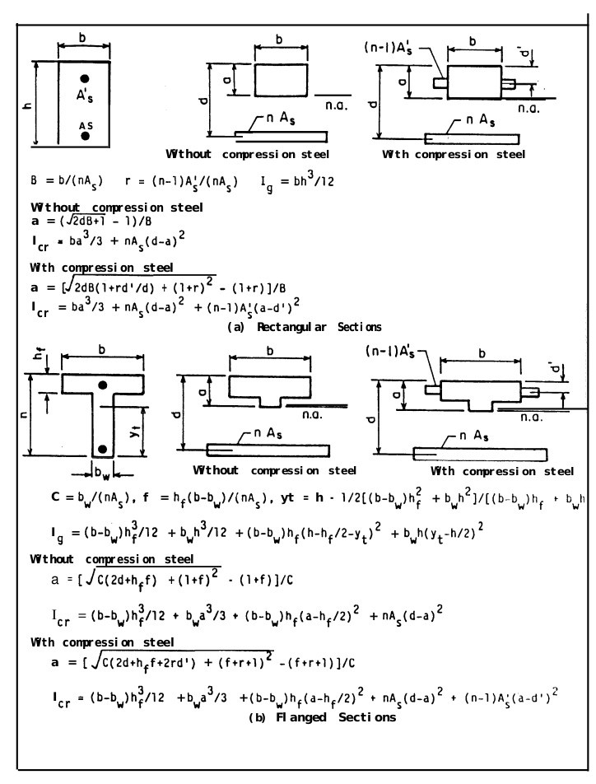
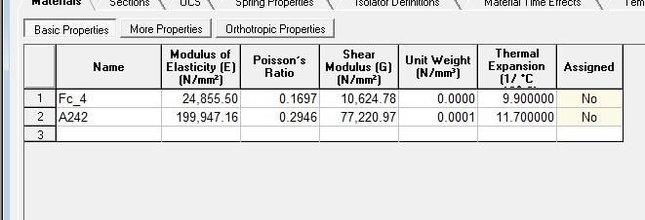
Ec | 24855 | Units for Ec and Es should be the same, it doesn’t matter what since they are used to calculate n
Es | 199947
h (height) | 200 | mm
b (width) | 200 | mm
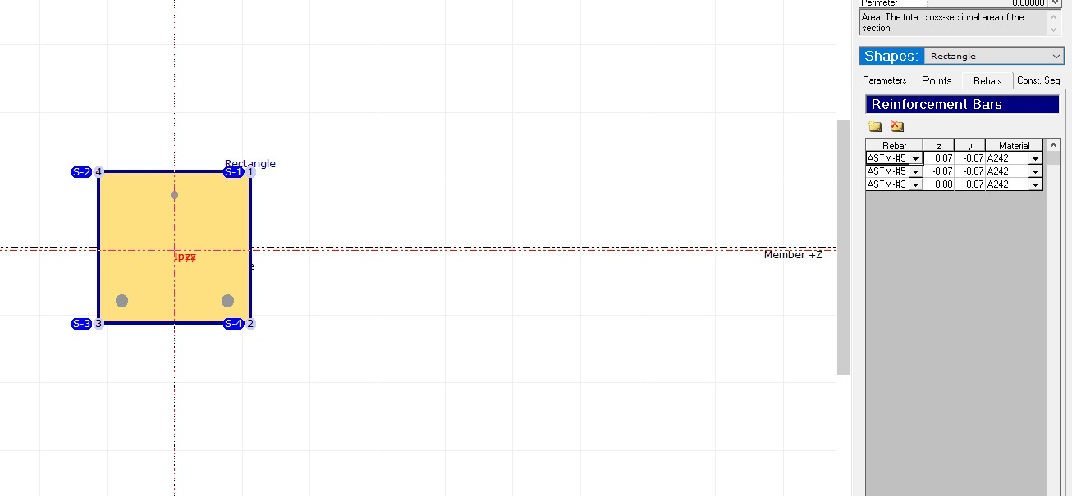
n | 8.0445383223 | unitless
As (area of compression steel) | 400 | mm^2
As’ (area of tension steel) | 71 | mm^2
B | 0.062153970802
r | 0.15543534037
Ig (moment of inertia for gross concrete section about centroidal axis, neglecting reinforcement) | 133333333.33 | mm^4 | 0.00013333333333 | m^4
d (tension face to compression steel) | 170 | mm
d’ (tension face to tension steel) | 30 | mm

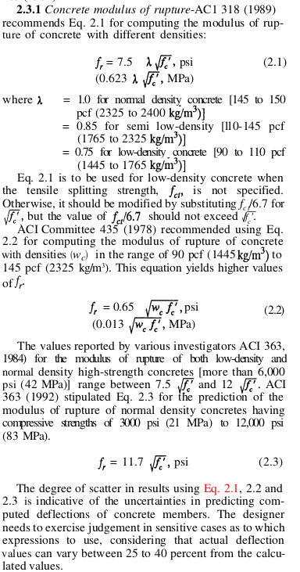
a (tension face to n.a.) | 58.649471725 | mm
Icr (Moment of inertia of cracked transformed section) | 53757371.476 | mm^4 | 5.3757371476E-05 | m^4
Area | 40000 | mm^2 | 0.04 | m^2

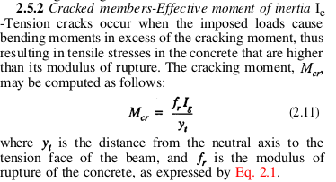
fc’ (specified compressive strength of concrete) | 27.58 | MPa | ft’ (specified tensile strength of concrete) | 2.6258332011 | MPa
fr (modulus of rupture of concrete) | 3.2717881686 | MPa | fr (modulus of rupture of concrete) | 1.009535544 | MPa
yt (distance from centroidal axis of gross section, neglecting reinforcement, to extreme fiber in tension) | 100 | mm | yt (distance from centroidal axis of gross section, neglecting reinforcement, to extreme fiber in tension) | 100 | mm
Mcr_pos | 4.3623842248 | KN-m | Mcr_neg | -1.3460473919 | KN-m

